Sheet4





Hello Everyone

Today I am going to present a Transactions data-based analysis.

Dashboard
What areas can I cut down to save money?
Total Income
Total Expenses
Total Balance
Saving Rate

Personal Expenses
Cut down the catogries on Red
₹ 487,142,135
₹ 423,324,385
₹ 63,817,750
13.1%
Dashboard
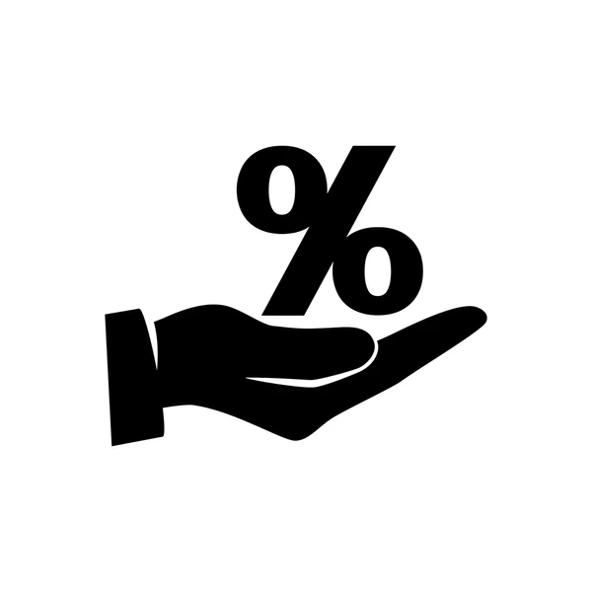

Avg. monthly Income
Avg. monthly Expenses
₹ 40,595,177.90
₹ 35,277,032.09

What payment methods do I use the most?
Which catogary do i spend most money on ?
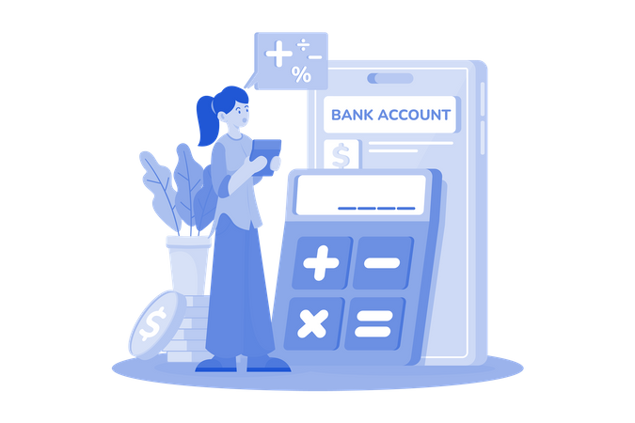
Bank Transfer is your most used payment method, making up 20.5% of all transactions
 | Total
Debit Card | 1519
Cash | 1593
Mobile Money | 1617
Credit Card | 1631
Bank Transfer | 1640
Food Delivery is your biggest spending catogary, taking up 15.3% of your total expenses

 | Total
Electricity Bill | 15749668.019
Fuel | 15909663.089
Groceries | 15965674.506
Healthcare | 16511135.292
Sports Betting | 16891482.876
Internet | 16974662.216
Water Bill | 17057537.892
Entertainment | 18055535.91
Gym Membership | 18290047.32
Food Delivery | 27284146.623

Which vendor takes most of my money ?
Hospital takes the largest share of your spendings at 20.8%

 | Total
Hospital | 26460227.124
Jumia | 25587788.551
MTN | 25827921.579
PharmacyPlus | 24690620.179
SportsBet | 24384319.675

